PreFace
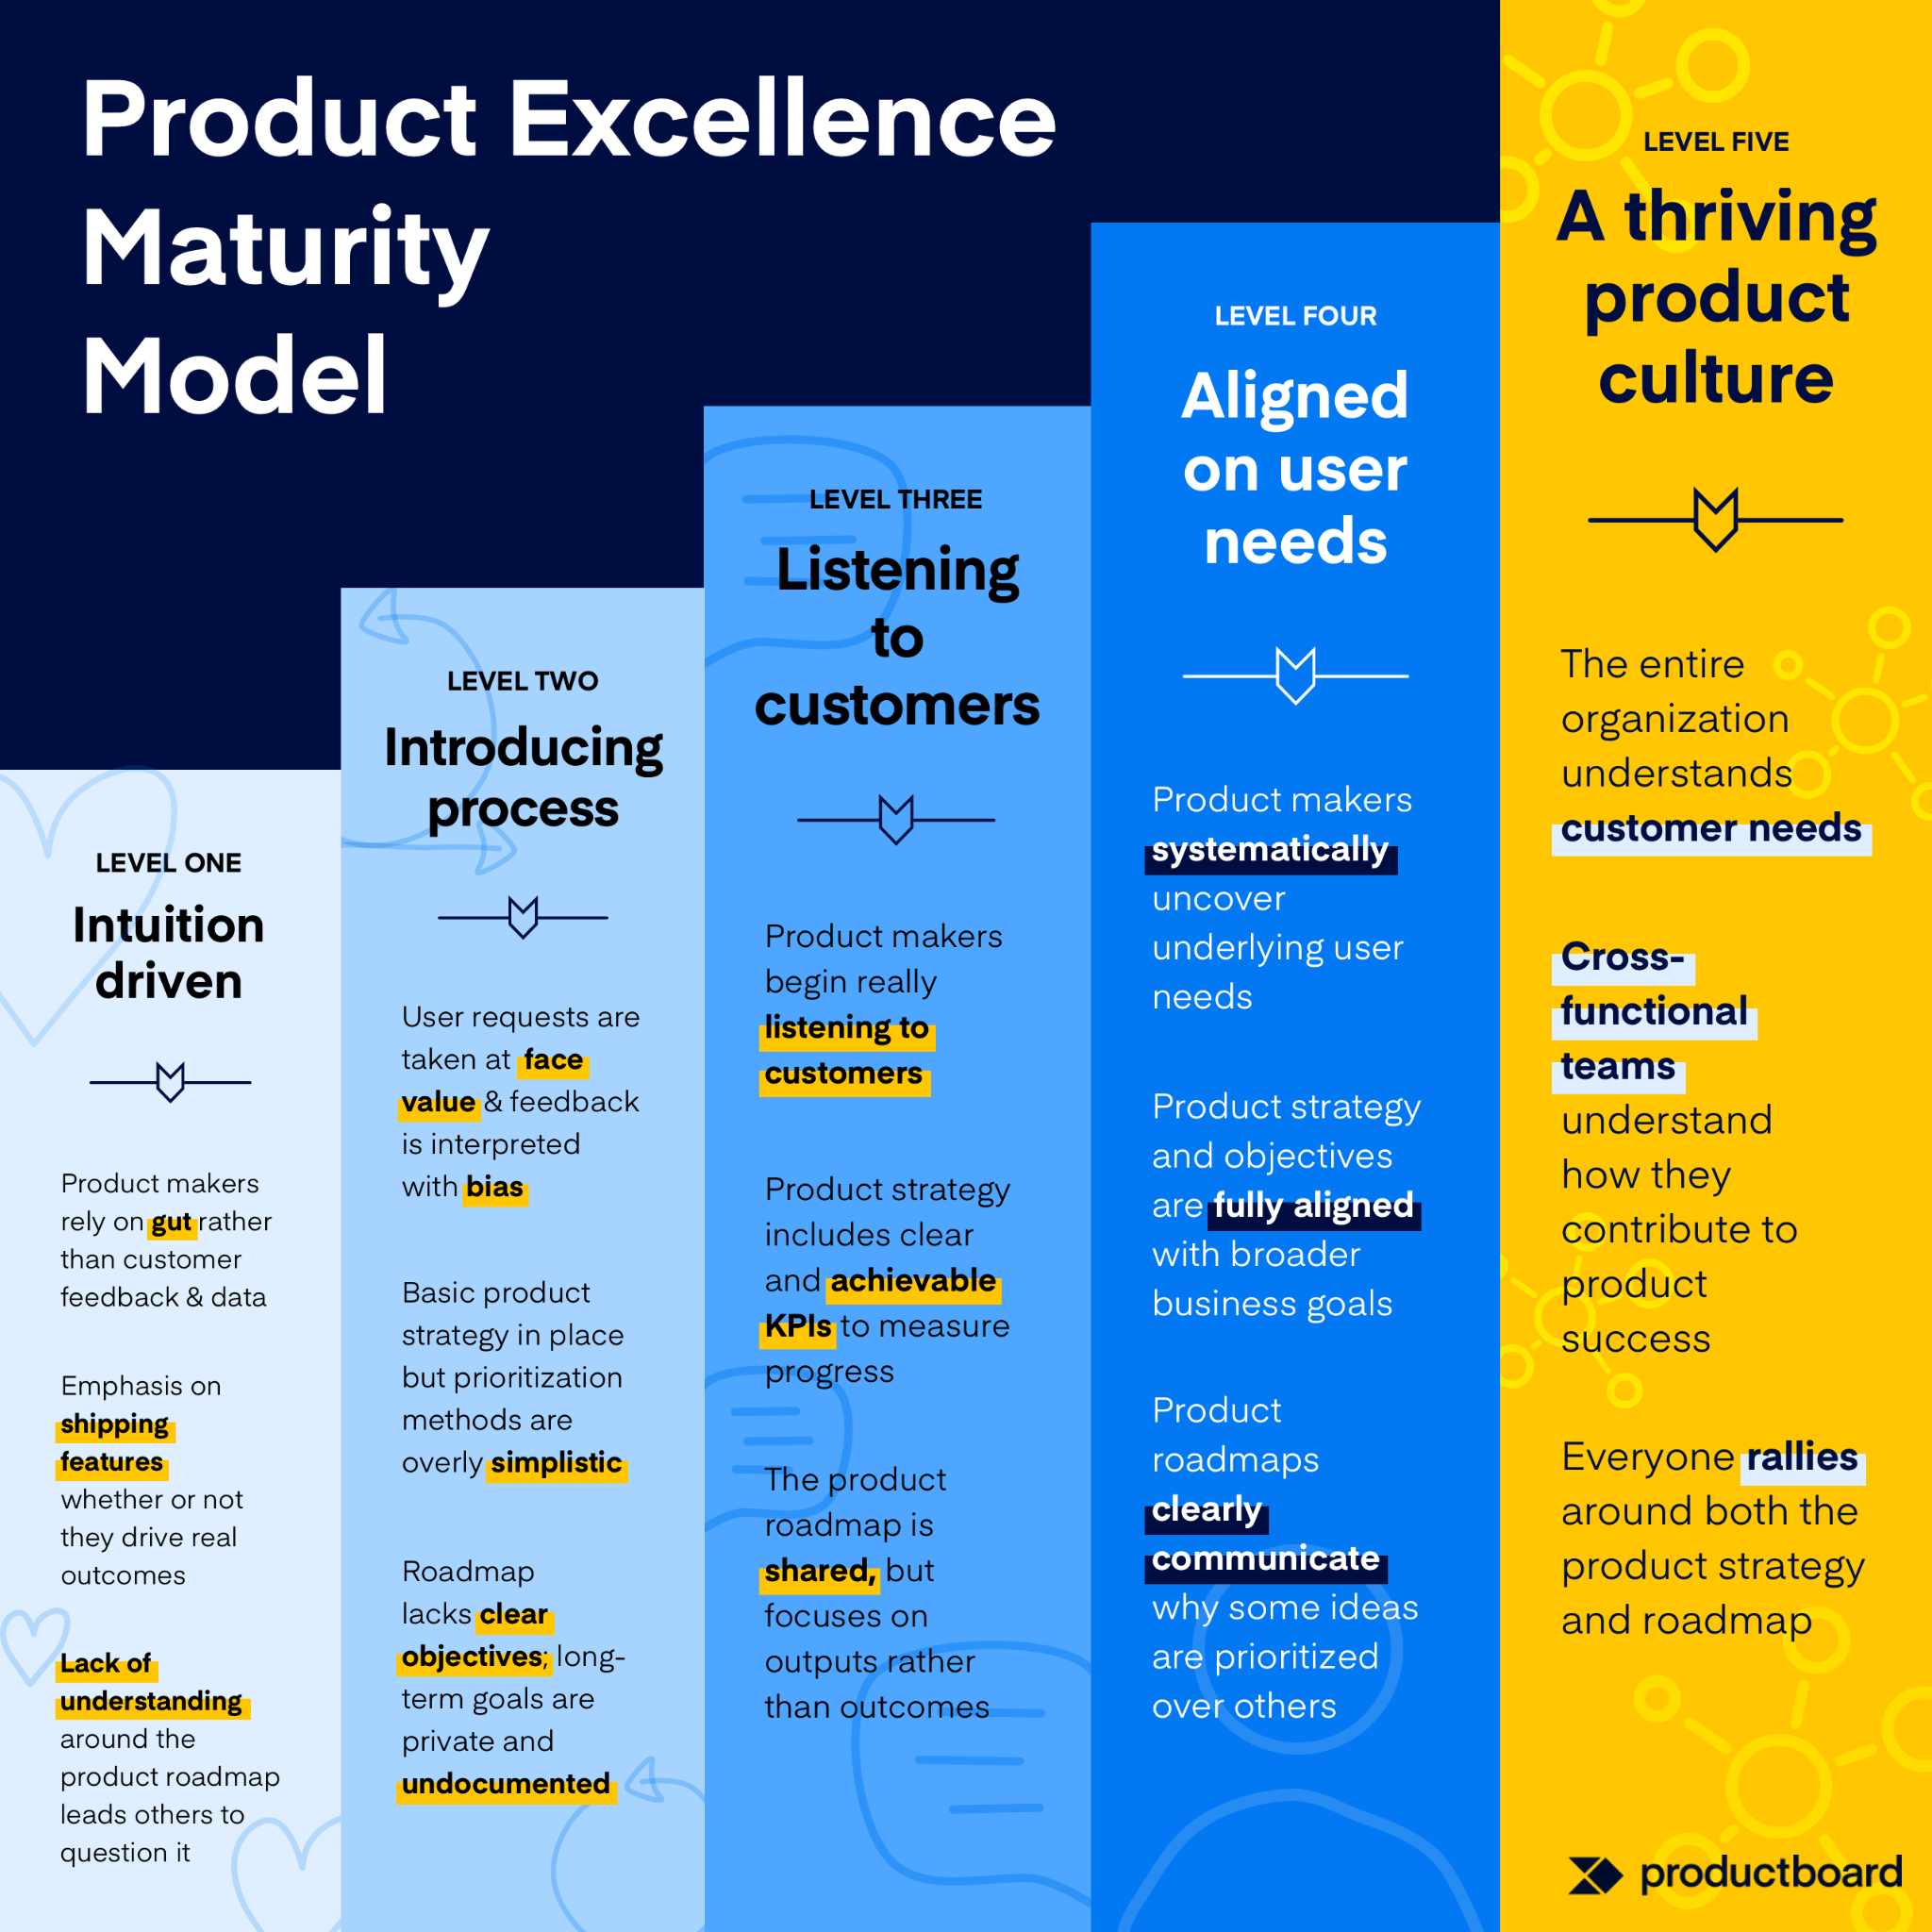
 | Dont jump in to Automation unless you fix these areas | Automation is not the final answer. It is one of the answers.

* * * * * | Majority of the defects leakages, in most cases, are due to imbalance between feature developements. QA should be in a position to understand this imbalance and predict the unstability & defect areas quickly.
 | Over the period of 3-4 sprints, QA should be in a position to predict the imbalances in stories/features/defect count selection in sprint planning.
 | Pushing too many changes in too little time, QAs couldnt get sufficient freedom to test everything. Pressure to meet the deadline.

 | Testcases vs Requirements is not sufficient- [ Dynamic scope changes, budgetry constraints, delivery pressure, poor developer skills etc etc]

 | Insufficient code coverage

 | Outdated test cases or test cases are not upto the rate of changes in the feature codes.

 | Build QA Process that will help to PREDICT the future uncertanities [ Probabilistically ]
 | Otherwise automation will nto be effective.

 | QA shouldnt be doing both in-sprint automation and regression/E2E/Integration automation. He shouldn't be part of both the works.
 | Pick well domain knowledged tester for in-sprint testing. For Any automation outside sprint, Pick good automation tester.

 | Rich reporting tool for executions to understand the failure patterns and build predictable testing strategy

Sprint Metrics for QAs
 | Sprint iterations......

Find many more co-relations between above parameters
 | January | February | March | April | May | June | July | August | September
No Of Planned 2 weeks sprints | 2 | 2
Parallel sprints | 3 | 3
Actual sprints per month | 6 | 6

No Of Complex features considered | 3 | 5
No Of P0 /P1 defects fixed | 8 | 12

No of KTs given based on complexity | 4 | 4
No of new coverages found by QAs | 16 | 16

No Of Developers worked | 12 | 12

No Of Point release | 4 | 4
No Of Hotfixes | 2 | 2
No Of Patches | 2 | 2
Total No Of releases | 6 | 6

No Of Planned QA resources | 4 | 4
No of planned testing days per sprint | 4 | 4
Actual number of testing days burned | 24 | 24
Per QA person days for testing | 6 | 6
No Of extra QAs added in-sprint | 2 | 4
% of extra QAs needed | 50% | 100%

Acceptance Criteria given/signed/agreed | Yes | Yes

Post Release
No Of defects found | 25 | 38
No Of defects leaked to PROD | 12 | 16
No Of Defects outside the coverage | 8 | 11
% of defects outside the coverage | 66.67% | 68.75%
Effectiveness of coverage | 33.33% | 31.25%

Cascading defects post above defect fix | 3 | 3
% Of defects fixed, caused cascading defects | 37.50% | 25.00%

In-Sprint Strategies
Sprint Strategy |  | Automation Strategy
Capacity | Sprint should not be more than 70% capacity. 30% buffer to start with, looing at the history of defect leakages
 |  | There will be two teams for any point of time
Planning | QAs should be part of finalizing the feature for release/sprint | 1st team will work on Automating Overall products Sanity checks [covering all scrum teams], Mini regression tests, individual component's health checks in isolation and bare minimal Integration checks | End user of this automation is in-sprint QAs. | 1stage: Cover Sanity for all scrum teams. 2nd stage: Cover individual features in isolation. 3rd stage: Cover integrated scenarios. 4th stage: Cover Regression E2E
Acceptance Criteria | QAs should get 100% coverage based KT from BA/PO/Dev | 2nd team will work on in-Sprint testing Plus in-sprint automation as much possible. Dont forcefully enter in automation as 1st team is already building automated validations. | 100% Manual testing. | Use KTs/Domain knowledge/Defect backlog and improve effectiveness of tests everyday. If time permits automate in-sprint new scenarios. Merge back to 1st teams code base.
 | Complusiry 3 amigos. Informal, continous and helping each others.
 |  | 1st team will work on 100% automation. They will be provided with all necessary support from existing QA + Devs | 100% Automation
Sprint capacity - Complexity based scoring model for well balanced feature stories. | Incase of Any additional in-sprint work demands, example: unexpected defect fix & re-test 5 storypoint work, remove another least priority work of 5story point from sprint capacity. Dont burden QAs in in-sprint work. Otherwise effectiveness of testing reduced as testing window squeezed. | 1st team will create entire automation premise with all scenarios and test data in place
 |  | If Test Data is unavailable, ask existing functional tester to create some.
 |  | Try to use multi-thread as mush possible.
 | Features selection should be well balanced. In imbalance features selection for a sprint, 1 feature developed well ahead than others, causes too many defects. Ask every QA to present their understanding in sprint planning, tell this to scrum master so that we can predictable system in place. If highly unbalanced, we can predict more defects, more resources need and more testing window required. | Build automation for CI/CD, build for devs/QAs/POs/BAs
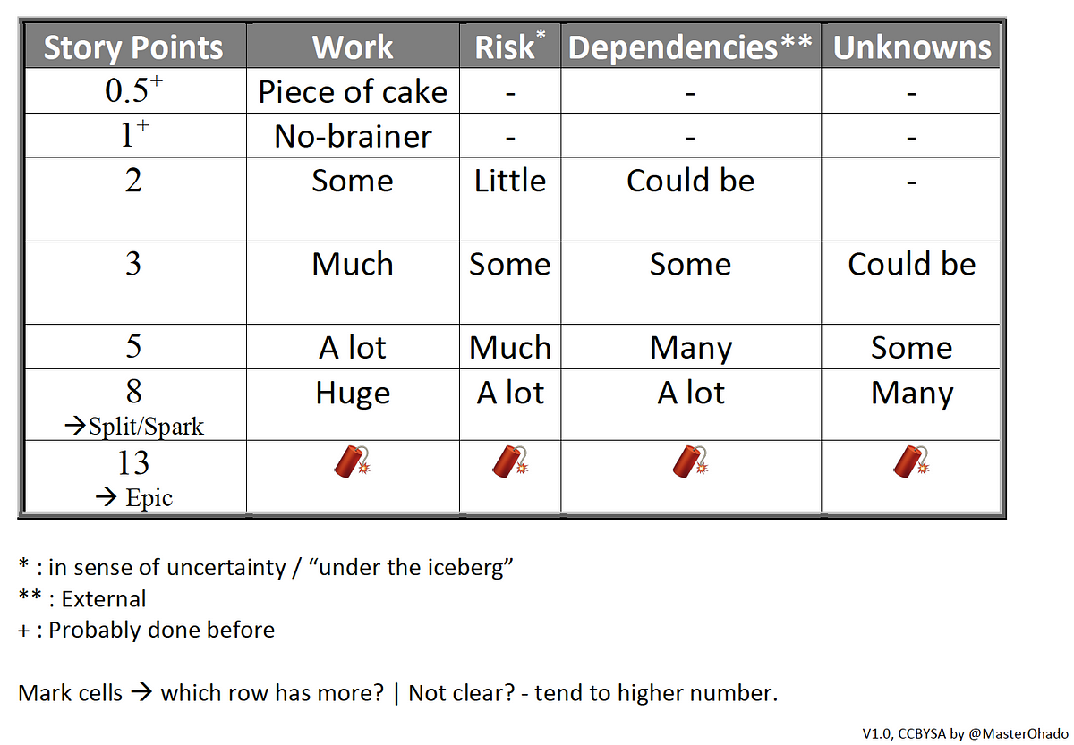
 |  | Design all features in isolation, remove tight coupling. Use mocks/stubs with flags ON/OFF for integration. If not, atleast group mocks for inspinrt and integrated tests for UAT

 |  | 1st team: BE API team, FE Web Team, Mobile team,

PS: https://clickup.com/blog/agile-prioritization-techniques/

